Cover Noni
 |  |  |  | Effective Date: |  | 2026-07-27
theLender Non-QM Business Purpose Rate Sheet

LOCK DESK |  |  |  |  |  |  | APPRAISAL ORDER PROCEDURES

 |  |  |  |  |  |  |  | AMC selection can be made at: https://www.thelender.com/appraisals/

 | CONTACT:
 | E-mail: | pricingdesk@thelender.com
 | Direct: | 833-381-8733
 | Lock Desk Closes at 5:00 PM PST

TABLE OF CONTENTS |  |  |  |  |  |  | NON QM Fees

 | Noni Near Noni Products |  |  |  |  |  | Underwriting Fee: $2,095
 | theNONI |  |  |  | Page 2 |  | *Doc Prep Fee: $599 (Business Purpose Only)
 | Foreign National NONI |  |  |  | Page 3
 | Business Purpose Matrix |  |  |  | Page 4
 | Foreign National NONI Matrix |  |  |  | Page 9

 |  |  | *EXTENSION FEES

 |  |  | NON QM
 |  |  |  |  | 5 day |  |  | -0.125
 |  |  |  |  | 7 day |  |  | -0.250
 |  |  |  |  | 10 day |  |  | -0.375
 |  |  |  |  | 15 day |  |  | -0.500

 |  |  | *2 total lock extensions allowed

Eligible States

 | AK*, AL, AR, AZ, CA, CO, CT, DC, DE, FL, GA, HI, IA, ID, IL, IN, KS*, KY, LA, MA, MD, ME, MI*, MN*, MO, MS, MT,
 | NC, ND, NE, NH, NJ, NM*, NV, NY, OH*, OK, OR, PA, RI*, SC, SD, TN, TX, UT, VA, VT, WA, WI, WV, WY

 | *See Matrix for restrictions and additional details regarding Prepayment Penalty



LOSS PAYEE

Hometown Equity Mortgage, LLC dba theLender its successors and/or assigns
25531 Commercentre Dr #250, Lake Forest, CA 92630
For use by mortgage professionals only. Mortgage Financing Provided by Hometown Equity Mortgage, LLC dba theLender NMLS #133519 . Rates, terms and programs subject to change without notice.

Cover Noni58
 |  |  |  | Effective Date: |  | 2026-07-27
theLender Non-QM Business Purpose 5- 8 Unit Rate Sheet

LOCK DESK |  |  |  |  |  |  | APPRAISAL ORDER PROCEDURES

 |  |  |  |  |  |  |  | AMC selection can be made at: https://www.thelender.com/appraisals/

 | CONTACT:
 | E-mail: | pricingdesk@thelender.com
 | Direct: | 833-381-8733
 | Lock Desk Closes at 3:00 PM PST

TABLE OF CONTENTS |  |  |  |  |  |  | NON QM Fees

 | Noni58 Products |  |  |  |  |  | Underwriting Fee: $2,095
 | NONI58 |  |  |  | Page 2 |  | Doc Prep Fee: $599 (Business Purpose Only)
 | NONI58 Matrix |  |  |  | Page 3 |  |  | Funding Fee: $575

 |  |  | *EXTENSION FEES

 |  |  | NON QM
 |  |  |  |  | 5 day |  |  | -0.125
 |  |  |  |  | 7 day |  |  | -0.250
 |  |  |  |  | 10 day |  |  | -0.375
 |  |  |  |  | 15 day |  |  | -0.500

 |  |  | *2 total lock extensions allowed

Eligible States

 | AK*, AL, AR, AZ, CA, CO, CT, DC, DE, FL, GA, HI, IA, ID, IL, IN, KS*, KY, LA, MA, MD, ME, MI*, MN*, MO, MS, MT,
 | NC, ND, NE, NH, NJ, NM*, NV, NY*, OH*, OK, OR, PA, RI*, SC, SD, TN, TX, UT, VA, VT, WA, WI, WV, WY

 | *See Matrix for restrictions and additional details regarding Prepayment Penalty

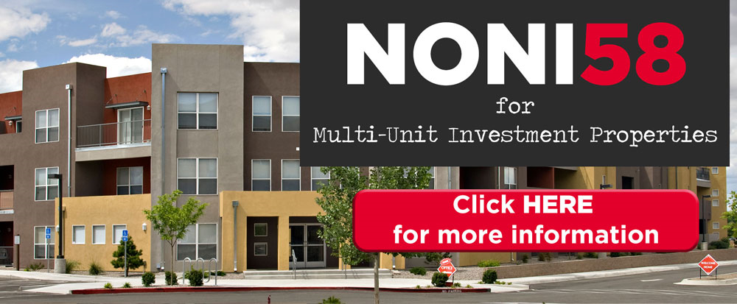

LOSS PAYEE

Hometown Equity Mortgage, LLC dba theLender its successors and/or assigns
25531 Commercentre Dr #250, Lake Forest, CA 92630
For use by mortgage professionals only. Mortgage Financing Provided by Hometown Equity Mortgage, LLC dba theLender NMLS #133519 . Rates, terms and programs subject to change without notice.

Cover NONQM
 |  |  |  | Effective Date: |  | 2026-07-27
theLender NQHEM Rate Sheet

LOCK DESK |  |  |  |  |  |  | APPRAISAL ORDER PROCEDURES

 |  |  |  |  |  |  |  | AMC selection can be made at: https://www.thelender.com/appraisals/

 | CONTACT:
 | E-mail: | pricingdesk@thelender.com
 | Direct: | 833-381-8733
 | Lock Desk Closes at 5:00 PM PST

TABLE OF CONTENTS |  |  |  |  |  |  | NON QM Fees

 | NQHEM Products |  |  |  |  |  | Underwriting Fee: $2,095
 | NQHEM |  |  |  | Page 2
 | NQHEM Matrix |  |  |  | Page 3

 |  |  | *EXTENSION FEES

 |  |  | NON QM
 |  |  |  |  | 5 day |  |  | -0.125
 |  |  |  |  | 7 day |  |  | -0.250
 |  |  |  |  | 10 day |  |  | -0.375
 |  |  |  |  | 15 day |  |  | -0.500

 |  |  | *2 total lock extensions allowed

Eligible States

 | AK*, AL, AR, AZ, CA, CO, CT, DC, DE, FL, GA, IA, ID, IL, IN, KS*, KY, LA, MA, MD, ME, MI*, MN*, MO, MS, MT,
 | NC, ND, NE, NH, NJ, NM*, NV, OH*, OK, OR, PA, RI*, SC, SD, TN, TX, UT, VA, VT, WA, WI, WV, WY

 | *See Matrix for restrictions and additional details regarding Prepayment Penalty

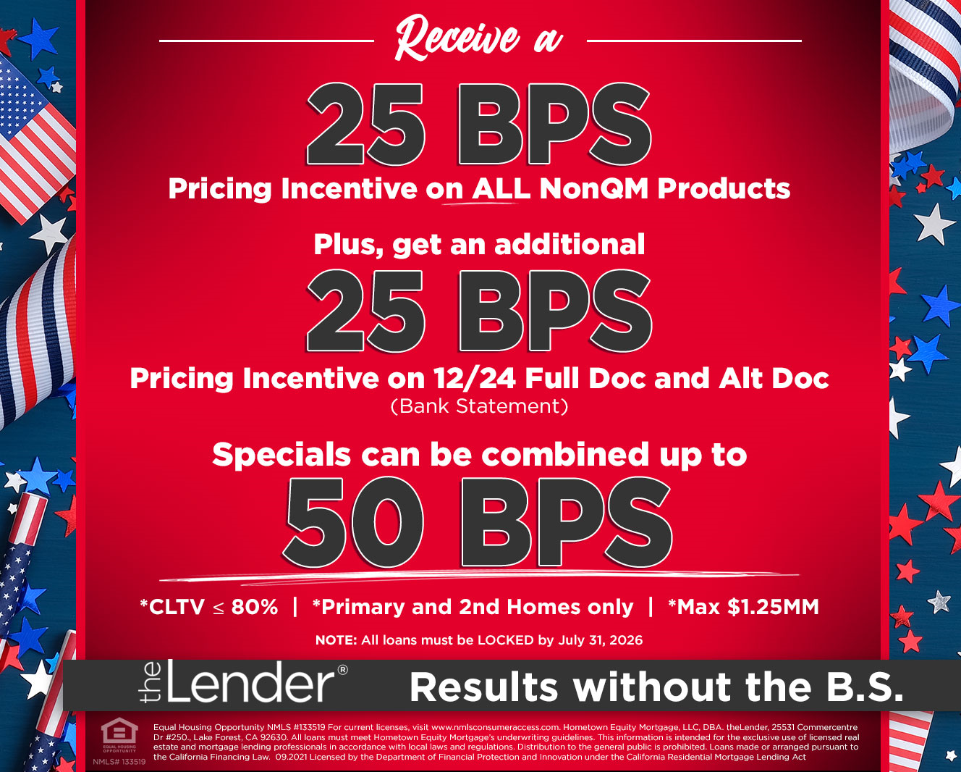

LOSS PAYEE

Hometown Equity Mortgage, LLC dba theLender its successors and/or assigns
25531 Commercentre Dr #250, Lake Forest, CA 92630
For use by mortgage professionals only. Mortgage Financing Provided by Hometown Equity Mortgage, LLC dba theLender NMLS #133519 . Rates, terms and programs subject to change without notice.

Cover the2nd
 |  |  |  | Effective Date: |  | 2026-07-27
theLender 2nds Rate Sheet

LOCK DESK |  |  |  |  |  |  | APPRAISAL ORDER PROCEDURES

 |  |  |  |  |  |  |  | AMC selection can be made at: https://www.thelender.com/appraisals/

 | CONTACT:
 | E-mail: | pricingdesk@thelender.com
 | Direct: | 833-381-8733
 | Lock Desk Closes at 3:00 PM PST

TABLE OF CONTENTS |  |  |  |  |  |  | the 2nd Fees

 | the2nd Products
 | 2nd+ |  |  |  | Page 2 |  | 2ndOO and 2ndNOO: $999
 | 2ndOO |  |  |  | Page 3
 | 2ndNOO |  |  |  | Page 4
 | 2nd Mortgage Matrix |  |  |  | Page 5

 |  |  | *EXTENSION FEES

 |  |  |  | 2nds
 |  |  |  |  | 5 day |  |  | -0.250
 |  |  |  |  | 7 day |  |  | -0.325
 |  |  |  |  | 10 day |  |  | -0.550
 |  |  |  |  | 15 day |  |  | -0.650

 |  |  | *Extension Max: 15 days

Eligible States

*See Matrix for restrictions and additional details.



LOSS PAYEE

Hometown Equity Mortgage, LLC dba theLender its successors and/or assigns
25531 Commercentre Dr #250, Lake Forest, CA 92630
For use by mortgage professionals only. Mortgage Financing Provided by Hometown Equity Mortgage, LLC dba theLender NMLS #133519 . Rates, terms and programs subject to change without notice.

Cover ITIN
 |  |  |  | Effective Date: |  | 2026-07-27
theLender ITIN Rate Sheet

LOCK DESK |  |  |  |  |  |  | APPRAISAL ORDER PROCEDURES

 |  |  |  |  |  |  |  | AMC selection can be made at: https://www.thelender.com/appraisals/

 | CONTACT:
 | E-mail: | pricingdesk@thelender.com
 | Direct: | 833-381-8733
 | Lock Desk Closes at 3:00 PM PST

TABLE OF CONTENTS |  |  |  |  |  |  | NON QM Fees

 | ITIN |  |  |  |  |  | Underwriting Fee: $1,995
 | theITIN |  |  |  | Page 2
 | theITIN Matrix |  |  |  | Page 3

 |  |  | *EXTENSION FEES

 |  |  | NON QM
 |  |  |  |  | 5 day |  |  | -0.125
 |  |  |  |  | 7 day |  |  | -0.250
 |  |  |  |  | 10 day |  |  | -0.375
 |  |  |  |  | 15 day |  |  | -0.500

 |  |  | *2 total lock extensions allowed

Eligible States

 | AK*, AL, AR, AZ, CA, CO, CT, DC, DE, FL, GA, HI, IA, ID, IL, IN, KS*, KY, LA, MA, MD, ME, MI*, MN*, MO, MS, MT,
 | NC, ND, NE, NH, NJ, NM*, NV, OH*, OK, OR, PA, RI*, SC, SD, TN, TX, UT, VA, VT, WA, WI, WV, WY

 | *See Matrix for restrictions and additional details regarding Prepayment Penalty



LOSS PAYEE

Hometown Equity Mortgage, LLC dba theLender its successors and/or assigns
25531 Commercentre Dr #250, Lake Forest, CA 92630
For use by mortgage professionals only. Mortgage Financing Provided by Hometown Equity Mortgage, LLC dba theLender NMLS #133519 . Rates, terms and programs subject to change without notice.

Cover Noni58+
 |  |  |  | Effective Date: |  | 2026-07-27
theLender Non-QM NONI58+ Rate Sheet

LOCK DESK |  |  |  |  |  |  | APPRAISAL ORDER PROCEDURES

 |  |  |  |  |  |  |  | AMC selection can be made at: https://www.thelender.com/appraisals/

 | CONTACT:
 | E-mail: | pricingdesk@thelender.com
 | Direct: | 833-381-8733
 | Lock Desk Closes at 3:00 PM PST

TABLE OF CONTENTS |  |  |  |  |  |  | NON QM Fees

 | Noni58+ Product |  |  |  |  |  | Underwriting Fee: $2,095
 | NONI58+ |  |  |  | Page 2 |  | Doc Prep Fee: $599 (Business Purpose Only)
 | NONI58+ Matrix |  |  |  | Page 3 |  |  | Funding Fee: $575

 |  |  | *EXTENSION FEES

 |  |  | NON QM
 |  |  |  |  | 5 day |  |  | -0.125
 |  |  |  |  | 7 day |  |  | -0.250
 |  |  |  |  | 10 day |  |  | -0.375
 |  |  |  |  | 15 day |  |  | -0.500

 |  |  | *2 total lock extensions allowed

Eligible States

 | AK*, AL, AR, AZ, CA, CO, CT, DC, DE, FL, GA, HI, IA, ID, IL, IN, KS*, KY, LA, MA, MD, ME, MI*, MN*, MO, MS, MT,
 | NC, ND, NE, NH, NJ, NM*, NV, NY, OH*, OK, OR, PA, RI*, SC, SD, TN, TX, UT, VA, VT, WA, WI, WV, WY

 | *See Matrix for restrictions and additional details regarding Prepayment Penalty



LOSS PAYEE

Hometown Equity Mortgage, LLC dba theLender its successors and/or assigns
25531 Commercentre Dr #250, Lake Forest, CA 92630
For use by mortgage professionals only. Mortgage Financing Provided by Hometown Equity Mortgage, LLC dba theLender NMLS #133519 . Rates, terms and programs subject to change without notice.

Cover theLine
 |  |  |  | Effective Date: |  | 2026-07-27
theLender HELOC Rate Sheet

LOCK DESK |  |  |  |  |  |  | APPRAISAL ORDER PROCEDURES

 |  |  |  |  |  |  |  | AMC selection can be made at: https://www.thelender.com/appraisals/

 | CONTACT:
 | E-mail: | pricingdesk@thelender.com
 | Direct: | 833-381-8733
 | Lock Desk Closes at 3:00 PM PST

TABLE OF CONTENTS |  |  |  |  |  |  | theLine Fees

 | theLine
 | theLine Rate Sheet |  |  |  | Page 2 |  | Underwriting Fee: $999
 | theLine Matrix |  |  |  | Page 3

 |  |  | *EXTENSION FEES

 |  |  |  | theLine
 |  |  |  |  | 5 day |  |  | -0.250
 |  |  |  |  | 7 day |  |  | -0.325
 |  |  |  |  | 10 day |  |  | -0.550
 |  |  |  |  | 15 day |  |  | -0.650

 |  |  | *Extension Max: 15 days

Eligible States

*See Matrix for restrictions and additional details.



LOSS PAYEE

Hometown Equity Mortgage, LLC dba theLender its successors and/or assigns
25531 Commercentre Dr #250, Lake Forest, CA 92630
For use by mortgage professionals only. Mortgage Financing Provided by Hometown Equity Mortgage, LLC dba theLender NMLS #133519 . Rates, terms and programs subject to change without notice.

